Agriculture
 | Postdoc Salary | GRA MS Salary Plus Up | GRA PhD Salary Plus Up | GRA MS Salary | GRA PhD Salary | GRA Tuition | Undergraduate Salary | Notes:
Ag Economics | $47,476 | $32,007.00 | $35,007.00 | $23,000.00 | $26,000.00 | $9,007.00

Agronomy | $47,476 | $32,324.24 | $26,653.12 | $32,824.06 | $35,153.04 | $8,500.00

Animal Science and Industry | $47,476 | $26,000.00 | $29,000.00 | $18,000.00 | $21,000.00 | $8,000.00

Communications and Ag Education | $47,476 | $28,500.00 | $33,500.00 | $20,500.00 | $26,500.00 | $8,000.00

Entomology | $47,476 | $33,500.00 | $33,500.00 | $25,000.00 | $25,000.00 | $8,500.00

Grain Science and Industry** | $47,476 | $28,000.00 | $30,000.00 | $19,000.00 | $21,000.00 | $9,000.00

Hort and Natural Resources | $47,500 | 29000-32000 | 29000-32000 | 22500-26000 | 22500-26000 | $6,750.00

Plant Path Genetics Fellows | $47,476 | $- | $- | $28,325.00 | $30,100.00 | $8,515.00

Plant Pathology | $47,476 | $36,475.00 | $36,475.00 | $28,325.00 | $28,325.00 | $8,515.00

 |  | *Amounts are for 12 month appointments.

 | *Per FLSA |  |  |  |  | **GRA Tuition is a requirement on all projects greater than $50,000 unless specifically disallowed by funding guidelines
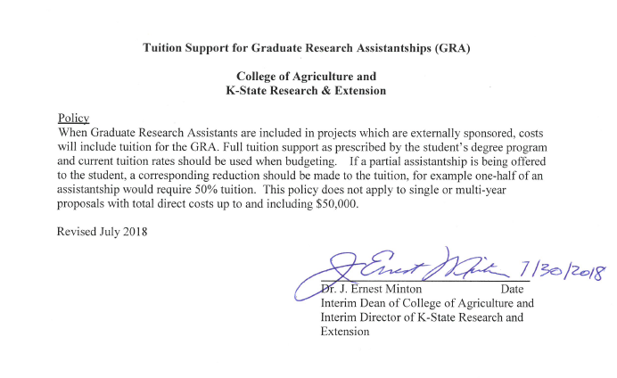

 |  |  |  |  |  | **Tuition requirement is 12 hours per academic year plus applicable fees

 |  |  |  |  |  | ** Tuition policy can be met by: 1)Including tuition in salary 2)Itemizing tuition as Other Direct Cost 3)Faculty providing tuition out of other funds 4)Proration of tuition and fees based on FTE of GRA (i.e. 25% GRA budgeted equals 50% tuition and fees requirement

** Second step increase (next year) for Grain Science GRAs should reflect $9,000 for tuition. No change to stipend amounts.

Arts & Science
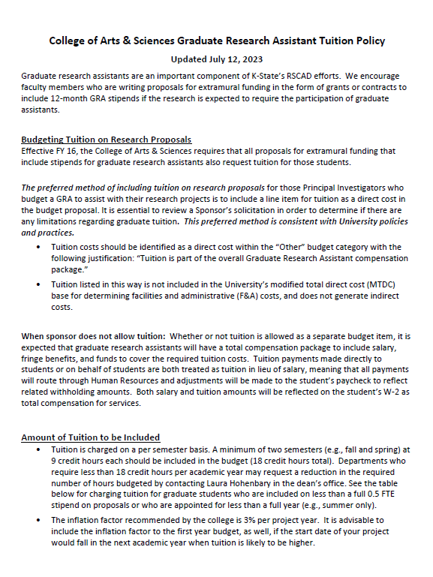
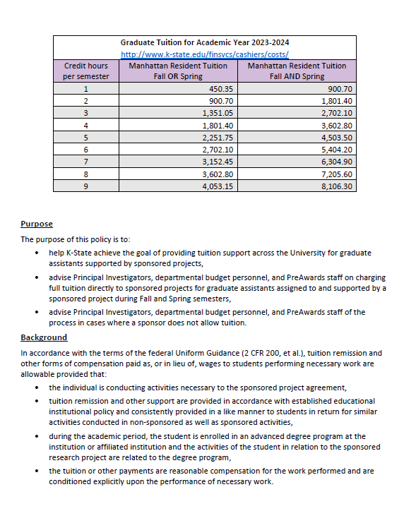
 | Postdoc Salary | GRA Salary (9 month unless indicated otherwise) | GRA Tuition |  | Undergraduate Salary | Notes
Aerospace Studies (Air Force ROTC) | N/A | N/A | N/A

American Ethnic Studies | Minimum required by university | N/A | N/A

Art | Minimum required by university | 9,407 | 8,106

Biochemistry & Molecular Biophysics | Minimum required by university | 21,263 | 9,007 |  |  | BMB advises GRAs to take 10 credits in Fall and Spring.20 Credits per academic Year.

Biology | Minimum required by university | $27,641 (12-month) | 8,106 | See Tuition Policy attached (lower-right)
It is advisable to include the 3% inflation factor to the first year budget, as well, if the start date of your project would fall in the next academic year when tuition is likely to be higher. Biology has already done this on their tuition amount.
Chemistry | Minimum required by university | $15,187 Masters; $21,262 PhD | 8,106

Media & Communication | Minimum required by university | $12,352 Masters; $16,200 PhD | 8,106

Economics | Minimum required by university | 17,212 | 8,106

English | Minimum required by university | 12,150 | 8,106

Gender, Women, & Sexuality Studies | Minimum required by university | 12,150 | N/A

Geography | Minimum required by university | $13.5 MA; $14K PhD | 8,106

Geology | Minimum required by university | 18,225 | 8,106

History | Minimum required by university | 14,175 | 8,106

Mathematics | Minimum required by university | 17,212 | 8,106

Military Science (Army ROTC) |  | N/A | N/A

Modern Languages | Minimum required by university | 14,175 | 8,106

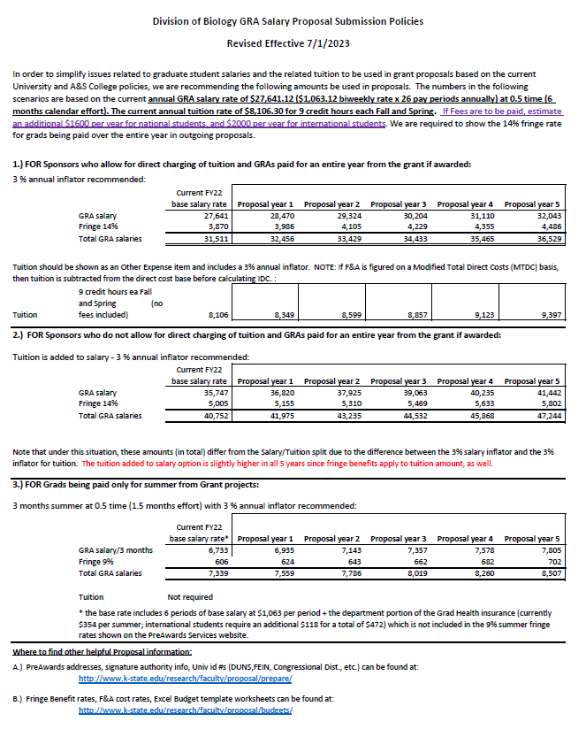
Music, Theatre, and Dance | Minimum required by university | 12,150 | 8,106

Philosophy | Minimum required by university | N/A | N/A

Physics | Minimum required by university | $25,000 (9 months) $32,500 (12 months) | 8,546 |  |  | Physics dept policy implemented in April 2023 requires fees to be added to tuition. Tuition amount in column E is for 15 credit hours per year including college, student services, and international student fees (per policy and emails from Kim Coy and Tim Bolton to Laura Hohenbary 6/19/23 & 7/13/23).

Political Science | Minimum required by university | $14,175 Masters; $16,200 PhD | 8,106

Psychological Sciences | Minimum required by university | $15,187 Masters; $16,200 PhD | 8,106

Sociology, Anthropology, and Social Work | Minimum required by university | $11,846 Masters; $13,425 PhD | 8,106

Statistics | Minimum required by university | 19,237 | 8,106

 |  | GRA stipend set at GTA levels. | #18 hours of graduate tuition required on all extramural proposals allowing tuition, unless there is an exception listed in notes column

 |  | GRA Salary (9 month unless indicated otherwise)

